Wedding Budget
Wedding Budget |  |  | 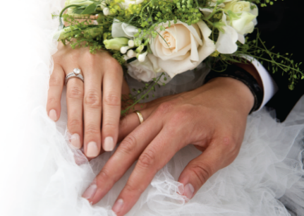

Category | Estimated Costs | Actual Costs | Variance | Budget %
Reception | $14,500 | $12,800 | $1,700 | 49.6%
Attire | $4,000 | $2,900 | $1,100 | 13.7%
Flowers and Decorations | $3,000 |  |  | 10.3%
Photographs and Video | $2,500 |  |  | 8.5%
Music | $1,800 |  |  | 6.2%
Favors and Gifts | $1,100 |  |  | 3.8%
Ceremony | $800 |  |  | 2.7%
Wedding Rings | $600 |  |  | 2.1%
Stationery | $500 |  |  | 1.7%
Transportation | $450 |  |  | 1.5%
TOTAL | $29,250 | $15,700 | $13,550 | 100%

